Data Dictionary
Data Dictionary | Date Recorded: 1st Jan 2019 to 31st Dec 2019

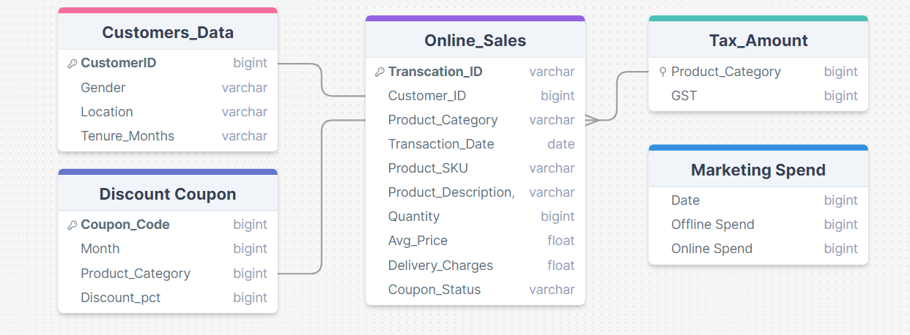
1. Online_Sales
This file contains transaction-level sales data from online orders.

- Transaction_ID (string): Unique identifier for each transaction.
- Transaction_Date (date): The date on which the transaction occurred.
- Product_SKU (string): SKU (Stock Keeping Unit) ID, unique identifier for each product.
- Product_Description (string): Descriptive text detailing the product.
- Product_Category (string): Categorization of the product.
- Quantity (integer): Number of items ordered in each transaction.
- Avg_Price (float): Average price per unit of the product.
- Delivery_Charges (float): Fees associated with the delivery of the product.
- Coupon_Status (string): Indicates whether a discount coupon was applied ('Yes' or 'No').

2. Customers_Data
This file contains demographic information about the customers.

- CustomerID (string): Unique identifier for each customer.
- Gender (string): Gender of the customer ('Male', 'Female', 'Other').
- Location (string): Geographic location of the customer.
- Tenure_Months (integer): Duration in months that the customer has been with the company.

3. Discount_Coupon
This file details the discount coupons available for different product categories over various months.

- Month (date): The month when the discount coupon was applicable.
- Product_Category (string): Category of the product for which the coupon is valid.
- Coupon_Code (string): Unique code for the discount coupon.
- Discount_pct (float): Discount percentage offered by the coupon.

4. Marketing_Spend
This file tracks marketing expenditures across both offline and online channels on a daily basis.

- Date (date): Date of the marketing expenditure.
- Offline_Spend (float): Marketing spend on offline channels such as TV, radio, newspapers, and billboards.
- Online_Spend (float): Marketing spend on online channels such as Google keywords and Facebook.

5. Tax_Amount
This file provides details about the Goods and Services Tax (GST) applied to different product categories.

- Product_Category (string): Category of the product.
- GST (float): GST rate applicable to the product category.

